Hiearchy View
CLASS: SIGNAL HEAD
portion of a colour light signal which displays the aspects. To display a larger number of indications, a single signal might have multiple signal heads. |  | 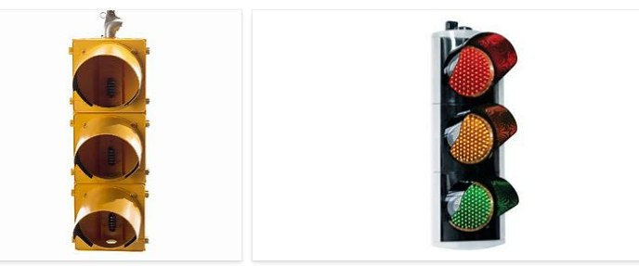
REMOVE | N

PROBLEM_DESC | CAUSE_DESC | REMEDY_DESC
BROKEN/DAMAGED
LIGHTING
OTHER PROBLEM
OVERHEATING
POWER-ELEC
STOPPED/SLOWED/POOR OPS
TEMP-CTRL
VIBRATION
Grand Total

